Ведомость превышений выноска
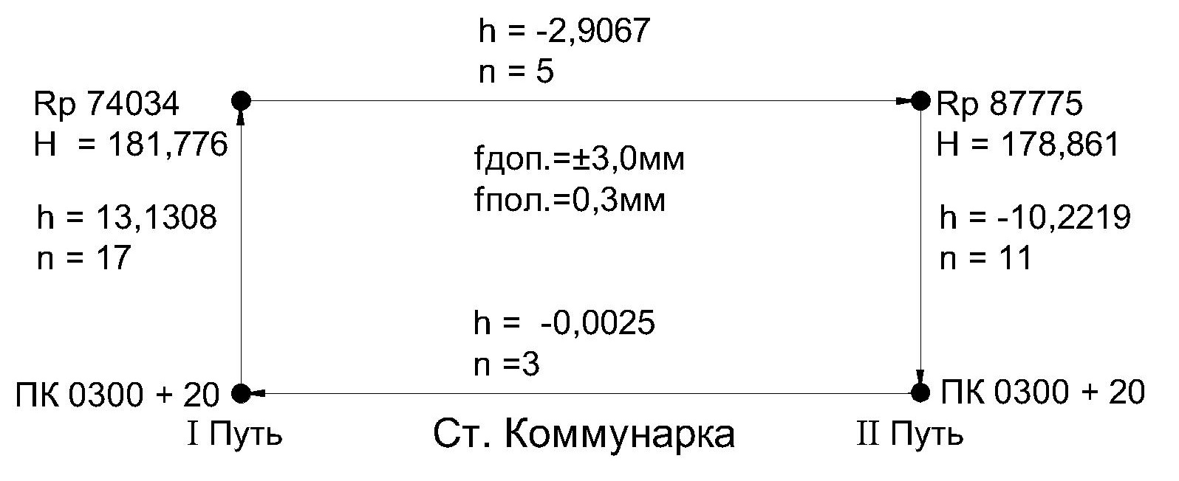
Ведомость превышений
ПЧ-1 |  | Коммунарка
 | I путь |  |  | II путь
N п/п | Пикетаж | h, м | N п/п | Пикетаж | h, м
Дата | 2023-03-22 |  | Дата | 2024-03-23
1 | 0300+20 |  | 1 | Rp 87775
2 | Rp 74034 | 13.1308 | 2 | 0300+20 | -10.2219
3 | Rp 87775 | -2.9067 | 3 | 0300+20 1й путь | -0.0025
Сумма |  | 10.2241 | Сумма |  | -10.2244

Выполнил инженер ОГ Сурков А.В.
 | Электронный полевой журнал сдал
 | Электронный полевой журнал принял

Ведомость превышений Тупики
ПК 302 + 20
ПК 302 + 00
h = -0,1381
n =1
h = -0,0768
n = 1
h = 0,1383
n =1
h = 0,0022
n =1
h = 0,9386
n = 4
h = 1,0019
n = 5
h = 0,0612
n = 1
fдоп.= ±3,0мм
fпол.= 0,1мм
II Путь
I Путь
h = -0,6020
n = 2
ПК 300 + 20
ПК 0300 + 65
ПК 0300 + 65
ПК 0300 + 20
h = -0,5983
n = 3
III Путь
IV Путь
V Путь
ПК 0004+60
VI Путь
ПК 0005+00
h = -0,5755
n = 3
h = -0,5982
n = 3
h = -0,6023
n =2
h = 0,5751
n = 3
h = 0,6250
n = 2
h = -0,6254
n = 2
h = -0,0173
n = 1
ПК 304 + 20
ПК 304 + 20
ПК 303 + 80
ПК 304 + 00
fдоп.= ±2,2мм
fпол.= 0,8мм
fдоп.= ±2,2мм
fпол.= 0,2мм
Ст. Коммунарка
fдоп.= ±1,0мм
fпол.= 0,0мм
fдоп.= ±1,0мм
fпол.= 0,0мм
Ведомость превышений
ПЧ-1 |  | Коммунарка
 | I путь |  |  |  | II путь
N п/п | Пикетаж | h, м | Кол-во штативов | N п/п | Пикетаж | h, м | Кол-во штативов
Дата | 20.03.2024 |  |  | Дата | 21.03.2024
1 | 0304+20 |  |  | 1 | 0304+20
2 | 0304+00 | 0.0598 | 1 | 2 | 0304+00 | 0.0630 | 1
3 | 0303+80 | 0.0647 |  | 3 | 0303+80 | 0.0597
4 | 0303+60 | 0.0595 |  | 4 | 0303+60 | 0.0603
5 | 0303+40 | 0.0594 | 1 | 5 | 0303+40 | 0.0594 | 1
6 | 0303+20 | 0.0576 |  | 6 | 0303+20 | 0.0597
7 | 0303+00 | 0.0595 |  | 7 | 0303+00 | 0.0575
8 | 0302+80 | 0.0558 | 1 | 8 | 0302+80 | 0.0592 | 1
9 | 0302+40 | 0.1266 |  | 9 | 0302+00 | 0.2062
10 | 0302+20 | 0.0595 |  | 10 | 0301+79,1 | 0.0942
11 | 0302+00 | 0.0594 | 1 | 11 | 0301+59,1 | 0.0582 | 1
12 | 0301+79,2 | 0.0573 |  | 12 | 0301+39,1 | 0.0618
13 | 0301+59,1 | 0.0596 |  | 13 | 0301+24,2 | 0.0477
14 | 0301+24 | 0.1069 | 1 | 14 | 0301+00 | 0.0723 | 1
15 | 301+00 | 0.0707 |  | 15 | 0300+82 | 0.0498
16 | 300+82 | 0.0498 |  | 16 | 0300+62,7 | 0.0599
17 | 300+20 | 0.1944 |  | 17 | 0300+20 | 0.1311
Сумма |  | 1.2005 | 5 | Сумма |  | 1.2001 | 5

 | III путь |  |  |  | IV путь
Дата | 2024-03-19 |  |  | Дата | 19.03.2024
1 | 0303+80 |  |  | 1 | 0304+00
2 | 0303+40 | 0.1210 |  | 2 | 0303+80 | 0.0616
3 | 0303+20 | 0.0586 |  | 3 | 0303+60 | 0.0603
4 | 0302+80 | 0.1160 | 1 | 4 | 0303+40 | 0.0586
5 | 0302+60 | 0.0622 |  | 5 | 0303+20 | 0.0605 | 1
6 | 0302+20 | 0.1228 | 1 | 6 | 0303+00 | 0.0580
7 | 0301+80 | 0.1193 |  | 7 | 0302+80 | 0.0575
8 | 0301+62.1 | 0.0552 | 1 | 8 | 0302+60 | 0.0614
9 | 0301+40 | 0.0593 |  | 9 | 0302+40 | 0.0616 | 1
10 | 0300+80 | 0.1766 | 1 | 10 | 0302+20 | 0.0612
11 | 0300+65 | 0.0476 |  | 11 | 0302+00 | 0.0596 | 1
Сумма |  | 0.9386 | 4 | 12 | 0301+80 | 0.0590
 |  |  |  | 13 | 0301+62 | 0.0542 | 1
 | V путь |  |  | 14 | 0301+20 | 0.1216
Дата | 2024-03-20 |  |  | 15 | 0301+00 | 0.0566
1 | 0302+20 |  |  | 16 | 0300+65 | 0.1103 | 1
2 | 0005+13,9 | 0.0009 |  | Сумма |  | 1.0019 | 5
3 | 0005+00 | 0.0414 | 1
4 | 0004+60 | -0.1191 |  |  | VI путь
Сумма |  | -0.0768 | 1 | Дата | 2024-03-21
 |  |  |  | 1 | 0302+00
 |  |  |  | 2 | 0005+41 | -0.0332
 |  |  |  | 3 | 0005+14.9 | 0.0775 | 1
 |  |  |  | 4 | 0005+04.9 | -0.0029
 |  |  |  | 5 | 0005+00 | -0.0241
 |  |  |  | Сумма |  | 0.0173 | 1

Выполнил инженер ОГ Сурков А.В.
 | Электронный полевой журнал сдал
 | Электронный полевой журнал принял

